S Channel - 06-02-2020 18
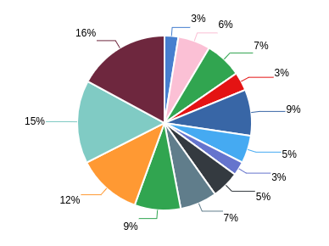
Summary Performance Operation - All Tenant
Export Time | 06-02-2020 18:37:23 | Filter Start | 2020-01-01
Export By |  | Filter END | 2020-02-05
NO | CHANNEL_NAME | UNIQUE CUSTOMER | TOTAL SESSION | MESSAGE IN | MESSAGE OUT
1 | ChatBot | 75545 | 113.816 | 0 | 54
2 | Email | 51036 | 82.03 | 72508 | 71757
3 | Facebook | 20433 | 40.29 | 41522 | 18395
4 | Instagram | 19521 | 30.924 | 32893 | 11037
5 | Line | 2995 | 3.747 | 16650 | 15304
6 | Live Chat | 12732 | 14.537 | 49801 | 56128
7 | Messenger | 75273 | 130.171 | 120910 | 114816
8 | Telegram | 6316 | 10.67 | 40688 | 42880
9 | Twitter | 61088 | 87.355 | 101832 | 52160
10 | Twitter DM | 110379 | 249.281 | 179400 | 103317
11 | Voice | 394 | 541 | 541 | 541
12 | Whatsapp | 56650 | 74.194 | 8268 | 24105

